Sheet1
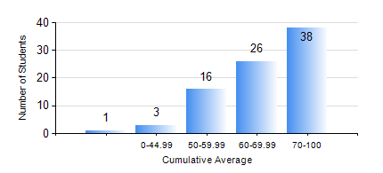
 |  |  | KWAME NKRUMAH UNIVERSITY OF SCIENCE AND TECHNOLOGY, KUMASI Department of Mechanical Engineering

 |  |  | BSC. AEROSPACE ENG., General Option

 |  |  | COMPREHENSIVE RECORD OF EXAMINATION RESULTS

 |  |  | RESULTS OF YEAR 1 FIRST SEMESTER, 2023/2024 ACADEMIC YEAR

 | Sn | Course Code |  | Course Name | Credit Hours | Min. Mark | Max. Mark | Avg. Mark | Std. Dev. | No. Passed | No. Trailed | No. (Df) | No. (I) | No. (I*) | No. Tagged(I,I*,Df) | Total
 | 0. |  |  |  |  |  |  | 0 | 0 | 0 | 0 | 0 | 0 | 0 | 0 | 1
 | 1. | AERO 157 |  | INTRODUCTION TO AVIATION TECHNOLOGY | 2 | 61 | 96 | 84 | 7.74 | 83 | 0 | 0 | 0 | 0 | 0 | 83
 | 2. | CE 155 |  | ENVIRONMENTAL STUDIES | 2 | 42 | 88 | 67 | 9.65 | 83 | 0 | 0 | 0 | 0 | 0 | 83
 | 3. | EE 151 |  | APPLIED ELECTRICITY | 3 | 23 | 91 | 67 | 10.81 | 82 | 1 | 0 | 0 | 0 | 0 | 83
 | 4. | ENGL 157 |  | COMMUNICATION SKILLS I | 2 | 15 | 89 | 67 | 11.24 | 82 | 1 | 0 | 0 | 0 | 0 | 83
 | 5. | MATH 151 |  | ALGEBRA | 4 | 22 | 96 | 64 | 17.85 | 80 | 3 | 0 | 0 | 0 | 0 | 83
 | 6. | ME 157 |  | INTRODUCTION TO INFORMATION TECHNOLOGY | 2 | 7 | 88 | 64 | 14.92 | 79 | 4 | 0 | 0 | 0 | 0 | 83
 | 7. | ME 159 |  | TECHNICAL DRAWING | 3 | 8 | 92 | 68 | 15.33 | 82 | 1 | 0 | 0 | 0 | 0 | 83

